emotion_heartrate
To what extent do emotional responses alter heart rate? To find out, participants were asked to recall memories of intense happiness or anger. Heart rate was measured using a cell phone app in beats per minute. Heart rate was measured for each participant before emotion recall (HR_baseline), during anger recall (HR_anger), and during happiness recall (HR_happiness). The order of emotion recall was counterbalanced.
As a manipulation check, participants also rated how intensely they were able to feel each emotion during the recall task on a scale from 0 (absolutely not intense) to 8 (extremely intense) .
This is a simplified dataset that has data only for baseline and anger. The data for happiness is not included here.
* ID
* First_emotion - anger or happiness, determined by coin flip
* HR_baseline - heart rate measured in beats per minute during baseline period prior to emotion recall
* HR_anger - heart rate measured in beats per minute during recall of times of intense anger
* SR_anger - self-reported intensity of feeling angry during angry recall, scale from 0-8
[[Note participants who had missing heart rate data due to data collection errors have been deleted]]
This data is from:
Lakens, D. (2013). Using a Smartphone to Measure Heart Rate Changes during Relived Happiness and Anger. IEEE Transactions on Affective Computing, 4(2), 238–241. doi:10.1109/T-AFFC.2013.3
And it is available online at:
https://data.3tu.nl/download/uuid:ab52261c-206b-4bed-a59d-026a16c04144/
This original experiment that inspired this conceptual replication is:
Ekman, P., Levenson, R. W., & Friesen, W. V. (1983). Autonomic nervous system activity distinguishes among emotions. Science (New York, N.Y.), 221(4616), 1208–1210. doi:10.1126/science.6612338
ID | First_emotion | HR_baseline | HR_anger | SR_anger
1 | anger | 67.00 | 71.00 | 4.00
2 | anger | 57.00 | 70.00 | 7.00
3 | happiness | 54.00 | 64.00 | 5.00
4 | anger | 91.00 | 99.00 | 5.00
5 | happiness | 63.00 | 59.00 | 6.00
6 | happiness | 65.00 | 58.00 | 7.00
7 | happiness | 76.00 | 91.00 | 5.00
8 | happiness | 76.00 | 91.00 | 5.00
9 | happiness | 76.00 | 91.00 | 5.00
10 | happiness | 72.00 | 75.00 | 7.00
11 | anger | 66.00 | 66.00 | 2.00
12 | happiness | 56.00 | 62.00 | 1.00
13 | anger | 63.00 | 67.00 | 5.00
14 | happiness | 62.00 | 70.00 | 4.00
15 | anger | 68.00 | 71.00 | 5.80
16 | happiness | 64.00 | 76.00 | 4.00
17 | anger | 74.00 | 81.00 | 4.00
18 | happiness | 83.00 | 105.00 | 3.00
19 | anger | 44.00 | 52.00 | 1.00
20 | anger | 58.00 | 64.00 | 4.00
21 | anger | 58.00 | 64.00 | 4.00
22 | anger | 64.00 | 71.00 | 5.00
23 | happiness | 73.00 | 65.00 | 4.00
24 | happiness | 47.00 | 64.00 | 7.00
25 | anger | 76.00 | 83.00 | 3.00
26 | happiness | 77.00 | 82.00 | 7.00
27 | happiness | 67.00 | 73.00 | 3.00
28 | anger | 74.00 | 69.00 | 2.00
29 | anger | 58.00 | 71.00 | 2.00
30 | anger | 40.00 | 58.00 | 6.00
31 | happiness | 69.00 | 84.00 | 3.00
32 | anger | 62.00 | 78.00 | 3.00
33 | happiness | 55.00 | 57.00 | 2.00
34 | anger | 50.00 | 59.00 | 5.00
35 | anger | 73.00 | 80.00 | 5.00
36 | happiness | 56.00 | 62.00 | 3.00
38 | anger | 54.00 | 55.00 | 2.00
39 | anger | 70.00 | 71.00 | 1.00
40 | happiness | 68.00 | 97.00 | 7.00
41 | happiness | 62.00 | 69.00 | 3.00
42 | happiness | 30.00 | 56.00 | 4.00
43 | happiness | 62.00 | 65.00 | 4.00
44 | happiness | 63.00 | 73.00 | 2.00
45 | anger | 52.00 | 54.00 | 2.00
46 | happiness | 81.00 | 73.00 | 2.00
48 | happiness | 70.00 | 67.00 | 6.00
49 | happiness | 58.00 | 83.00 | 3.00
50 | happiness | 59.00 | 59.00 | 5.00
51 | happiness | 70.00 | 78.00 | 2.00
52 | happiness | 80.00 | 93.00 | 4.00
53 | happiness | 77.00 | 85.00 | 5.00
54 | anger | 65.00 | 77.00 | 7.00
55 | happiness | 65.00 | 71.00 | 2.00
56 | anger | 67.00 | 72.00 | 3.00
57 | happiness | 72.00 | 75.00 | 4.00
58 | anger | 61.00 | 65.00 | 3.00
59 | happiness | 63.00 | 95.00 | 4.00
61 | happiness | 68.00 | 77.00 | 3.00
62 | anger | 64.00 | 51.00 | 3.00
64 | happiness | 62.00 | 67.00 | 3.00
65 | happiness | 71.00 | 88.00 | 6.00
68 | anger | 73.00 | 70.00 | 3.00
69 | happiness | 74.00 | 85.00 | 4.00
70 | anger | 70.00 | 62.00 | 5.00
71 | anger | 55.00 | 65.00 | 3.00
72 | happiness | 60.00 | 66.00 | 4.00
73 | happiness | 58.00 | 74.00 | 5.00
74 | happiness | 54.00 | 59.00 | 6.00

labels_flavor
To what extent does the label on a beverage influence your enjoyment of the beverage? To find out, participants were asked to take part in a taste-test for grape juice. Each participant was poured 3 samples of grape juice: one from a bottle of Welch's Grape Fruit (a mid-level brand), one from a bottle of Generic Grape Fruit (a low-price brand), and one from a bottle of Whole Foods Organic Grape Juice (a high-priced brand). The trick was: it was all the same grape juice! Prior to the start of the project, the experimenters had poured out the original contents and poured the same Welch's grape juice into each bottle.
After each sample, participants rated their enjoyment of that juice (scale from 1 to 10). They also reported how much they would pay for a 1 gallon bottle of that juice ($1-10, whole dollar amounts). Finally, participants completed a funelled debreifing about the study--participants who expressed some suspicion that all the juices were actually the same are marked with a 1, the rest a 0.
This is a simplified dataset which contains data for only 2 of the 3 juice labels: Organic and Generic.
* ParticipantID -
* Enjoy_Generic - degree of enjoyment of the juice sample with the Generic label, 1-10
* Enjoy_Organic - degree of enjoyment of the juice sample with the Organic label, 1-10
* Pay_Generic - price willing to pay for the with the Generic label, marked as $1-10 dollars in whole dollar amounts
* Pay_Organic - price willing to pay for the with the Organic label, marked as $1-10 dollars in whole dollar amounts
This research was conducted as a student research project by:
Sylvia Floretta-Schiller, Barbar Berent, and Gabriela Salinas -- Dominican University, Psychology
And was inspired by this study:
Robinson, T. N., Borzekowski, D. L. G., Matheson, D. M., & Kraemer, H. C. (2007). Effects of Fast Food Branding on Young Children’s Taste Preferences, 161(8), 792–797.
ParticipantID | Enjoy_Generic | Enjoy_Organic | Pay_Generic | Pay_Organic | Suspicous
21 | 10 | 10 | 2 | 2 | 1
22 | 8 | 8 | 1 | 3 | 1
23 | 10 | 10 | 9 | 9 | 1
24 | 2 | 2 | 3 | 4 | 1
43 | 7 | 7 | 5 | 5 | 1
1 | 8 | 8 | 2 | 4 | 0
2 | 4 | 3 | 2 | 3 | 0
3 | 8 | 7 | 3 | 5 | 0
4 | 4 | 6 | 2 | 4 | 0
5 | 6 | 7 | 3 | 5 | 0
6 | 8 | 6 | 4 | 5 | 0
7 | 8 | 9 | 1 | 3 | 0
8 | 5 | 9 | 3 | 5 | 0
9 | 7 | 7 | 3 | 5 | 0
10 | 7 | 8 | 2 | 5 | 0
11 | 9 | 10 | 3 | 5 | 0
12 | 7 | 10 | 3 | 7 | 0
13 | 4 | 9 | 1 | 5 | 0
14 | 9 | 10 | 3 | 4 | 0
15 | 8 | 8 | 2 | 4 | 0
16 | 3 | 8 | 1 | 5 | 0
17 | 6 | 8 | 5 | 8 | 0
18 | 8 | 9 | 2 | 6 | 0
19 | 10 | 10 | 2 | 3 | 0
20 | 10 | 9 | 1 | 3 | 0
25 | 10 | 10 | 3 | 6 | 0
26 | 5 | 6 | 1 | 4 | 0
27 | 5 | 8 | 3 | 4 | 0
28 | 8 | 7 | 7 | 7 | 0
29 | 7 | 7 | 2 | 4 | 0
30 | 6 | 8 | 3 | 4 | 0
31 | 6 | 3 | 2 | 3 | 0
32 | 8 | 9 | 4 | 4 | 0
33 | 6 | 7 | 1 | 4 | 0
34 | 7 | 9 | 4 | 7 | 0
35 | 4 | 6 | 1 | 3 | 0
36 | 3 | 4 | 2 | 3 | 0
37 | 7 | 8 | 4 | 5 | 0
38 | 7 | 7 | 3 | 4 | 0
39 | 8 | 7 | 8 | 7 | 0
40 | 7 | 10 | 1 | 10 | 0
41 | 6 | 8 | 1 | 3 | 0
42 | 10 | 10 | 4 | 4 | 0
44 | 8 | 9 | 3 | 5 | 0
45 | 10 | 10 | 1 | 3 | 0
46 | 5 | 8 | 2 | 4 | 0
47 | 7 | 10 | 5 | 6 | 0
48 | 5 | 9 | 4 | 6 | 0
49 | 10 | 10 | 2 | 3 | 0
50 | 6 | 9 | 1 | 3 | 0
51 | 3 | 2 | 4 | 2 | 0

sensitization Ex 5
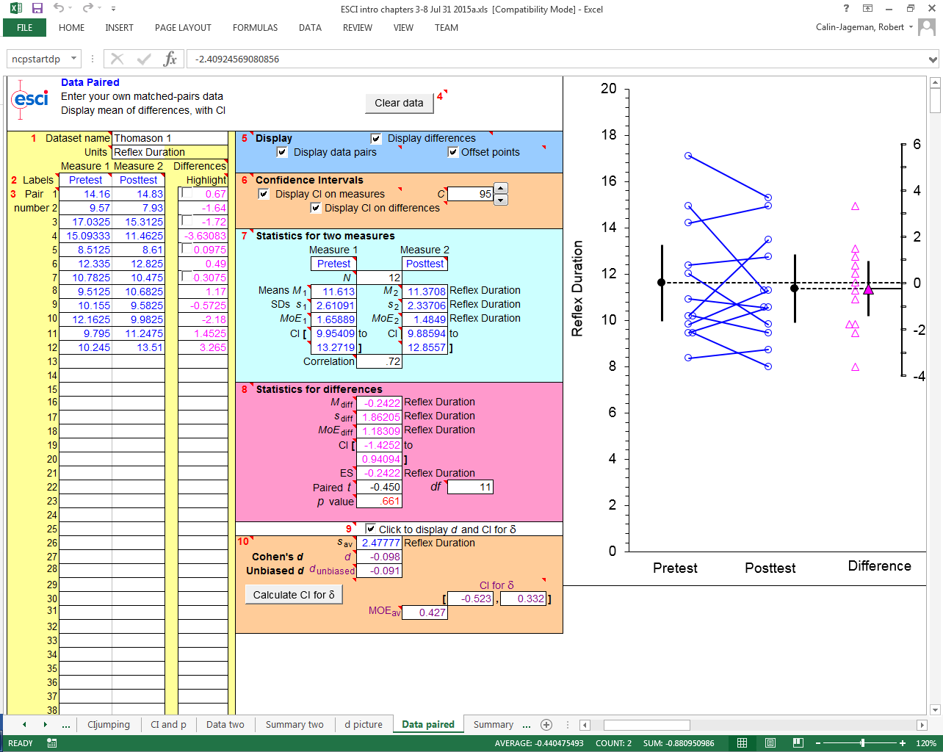
To what extent does a painful experience modify reflex responses? To find out, sea slugs had their reflexes timed on the left and right side of their body. Each slug was then administered a painful shock to one side of the body. The next day, reflexes were again timed on both sides of the body. Longer reflex responses indicate the animals has become more sensitive/fearful of being touched.
* AnimalID -
* Trained_Side - side on which animal received sensitization training (Left or Right)
* Base_Trained - Duration (in seconds) of tail-elicited siphon withdrawal reflex on trained side, average of 3 consecutive measures, taken before training
* 24h_Trained - Duration (in seconds) of tail-elicited siphon withdrawal reflex on trained side, average of 3 consecutive measures, taken 24 hours after training
* Base_Untrained - Duration (in seconds) of tail-elicited siphon withdrawal reflex on untrained side, average of 3 consecutive measures, taken before training
* 24h_Untrained - Duration (in seconds) of tail-elicited siphon withdrawal reflex on untrained side, average of 3 consecutive measures, taken 24 hours after training
This data is availble online at https://osf.io/ts9ea/
And was reported in Figure 2 of:
Herdegen, S., Conte, C., Kamal, S., Calin-Jageman, R. J., & Calin-Jageman, I. E. (2014). Immediate and Persistent Transcriptional Correlates of Long-Term Sensitization Training at Different CNS Loci in Aplysia californica. PloS One, 9(12), e114481. doi:10.1371/journal.pone.0114481
AnimalID | Trained_Side | Base_Trained | 24h_Trained | Base_Untrained | 24h_Untrained
801 | Right | 12.8 | 19.5 | 14.2 | 14.8
802 | Right | 13.0 | 18.6 | 9.6 | 7.9
803 | Left | 15.7 | 22.0 | 17.0 | 15.3
804 | Left | 14.7 | 24.3 | 15.1 | 11.5
805 | Right | 8.9 | 19.2 | 8.5 | 8.6
806 | Left | 7.9 | 26.3 | 12.3 | 12.8
807 | Right | 7.9 | 18.7 | 10.8 | 10.5
808 | Left | 7.9 | 18.7 | 9.5 | 10.7
838 | Left | 10.6 | 15.3 | 10.2 | 9.6
839 | Right | 10.1 | 20.5 | 12.2 | 10.0
840 | Left | 8.9 | 21.6 | 9.8 | 11.2
841 | Right | 11.2 | 27.7 | 10.2 | 13.5

learning_genes Ex 6
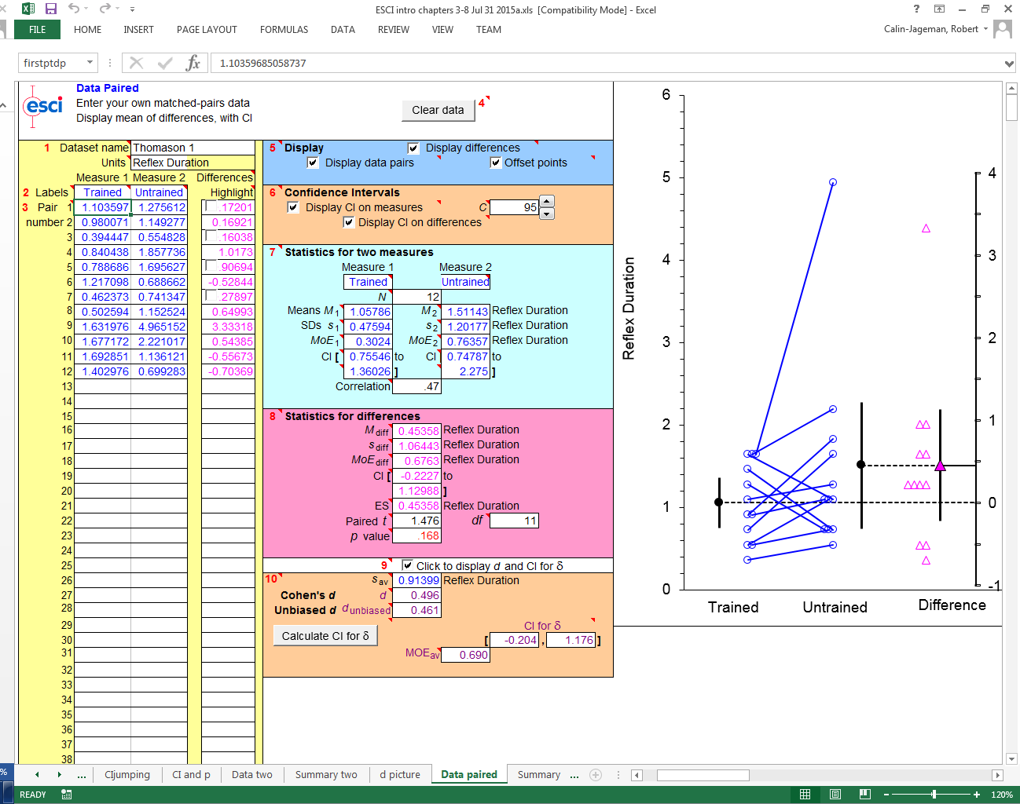
To what extent does storing a memory modify gene expression in the nervous system? To find out, animals received sensitization training one one side of the body (left or right). This produced a long-term memory only on the side of training. 1 day after training, animals were dissected and sensory neurons from the left and right side of the body were extracted. Each sample was then tested using qPCR to measure the amount of RNA for the Egr or CREB genes. To what extent does training persistently alter the amount of Egr RNA? To what extent does training persistently alter the amount of CREB RNA?
* Animal - ID of the animal
* Tissue - SW indicates gene measured in sensory neurons that help detect touch to the skin
* Trained_Side - side on which animal received sensitization training (Left or Right)
* Egr_Trained - amount of RNA for the Egr Gene (early growth response) on the trained side of the nervous system
* Egr_Untrained - amount of RNA for the Egr Gene on the untrained side of the nervous system
* CREB_trained - amount of RNA for the CREB gene (Cre element binding protein) on the trained side of the nervous system
* CREB_untrained - amount of RNA for the CREB gene on the untrained side of the nervous system.
This data is availble online at https://osf.io/ts9ea/
And was reported in Figure 5A of:
Herdegen, S., Conte, C., Kamal, S., Calin-Jageman, R. J., & Calin-Jageman, I. E. (2014). Immediate and Persistent Transcriptional Correlates of Long-Term Sensitization Training at Different CNS Loci in Aplysia californica. PloS One, 9(12), e114481. doi:10.1371/journal.pone.0114481
Animal | Tissue | Trained_Side | Egr_Untrained | Egr_Trained | CREB_Untrained | CREB_Trained
801 | SW | Right | 0.25 | 1.22 | 1.10 | 1.28
802 | SW | Right | 0.11 | 0.56 | 0.98 | 1.15
803 | SW | Left | 0.15 | 0.92 | 0.39 | 0.55
804 | SW | Left | 0.31 | 0.79 | 0.84 | 1.86
805 | SW | Right | 0.14 | 1.08 | 0.79 | 1.70
806 | SW | Left | 0.14 | 0.96 | 1.22 | 0.69
807 | SW | Right | 0.22 | 0.95 | 0.46 | 0.74
808 | SW | Left | 0.05 | 1.00 | 0.50 | 1.15
838 | SW | Left | 0.16 | 1.13 | 1.63 | 4.97
839 | SW | Right | 0.11 | 3.53 | 1.68 | 2.22
840 | SW | Left | 0.39 | 1.88 | 1.69 | 1.14
841 | SW | Right | 0.19 | 1.24 | 1.40 | 0.70

habituation
To what extent does the pattern of training influence learning? To find out, sea slugs were given 3 differnt types of experience. Control animals just sat in their aquarium. Trained slugs received 3 days of habituation training--this was basically just brushing the sea slug for 15 minutes, then taking a 15 minute break, then repeating...this type of training causes the sea slug to learn to ignore the brushing. The last group of slugs received massed training, meaning that they got the same brushing as the trained slugs but all packed into a single day with no breaks whatsoever.
This is a simplified data set that contains data for only the trained animals. In addition, only the pre-test and post-test measures are shown.
To measure learning, reflexes were times before (base_M) and 24 hours after the training (24h_M)
* AnimalID -
* Condition - Control (no brushing), Trained (Brushed 3 days, with breaks on each day), or Massed (brushed 1 day, no breaks, same total amount as trained but in one single session)
* Base_M - duration (in seconds) of tail-elicited siphon withdrawal reflex, average of 3 measures, taken prior to start of any training
* LT3_M - duration (in seconds) of tail-elicited siphon withdrawal reflex, average of 3 measures, taken 24h after start of third round of training
This data is availble online at : https://osf.io/6ew4i/
And was reported in Figure 4 of:
Holmes, G., Herdegen, S., Schuon, J., Cyriac, A., Lass, J., Conte, C., … Calin-Jageman, R. J. (2014). Transcriptional analysis of a whole-body form of long-term habituation in Aplysia californica. Learning & Memory, 22(1), 11–23. doi:10.1101/lm.036970.114
AnimalID | Condition | Base_M | LT3_M
532 | Trained | 8.945 | 4.11
536 | Trained | 11.1275 | 3.8525
533 | Trained | 12.09 | 3.7375
531 | Trained | 12.6725 | 4.44
538 | Trained | 7.23 | 4.21
540 | Trained | 9.165 | 4.1975
557 | Trained | 8.4825 | 4.14
548 | Trained | 9.3875 | 6.12
547 | Trained | 10.015 | 5.6175
554 | Trained | 12.0475 | 5.905
602 | Trained | 7.745 | 4.3375
596 | Trained | 8.585 | 4.9525
603 | Trained | 8.9025 | 4.4375
601 | Trained | 9.8375 | 4.525

